Sheet1
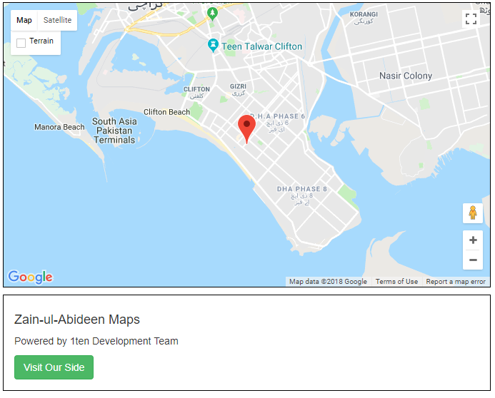
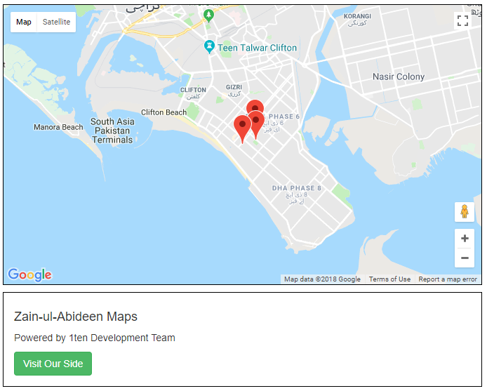
 |  |  | WEB MAPS LIBRARY DOCUMENTATION

 | PYTHON FUNCTIONS |  |  | PARAMETER DETAILS

Function # 1 | mapWithMarker(api, lat, long, zoom, title, path) |  |  | API | Your google api Key
Function # 2 | mapWithMultipleMarker(csvFile, js, api, lats, longs, zoom, path) |  |  | lat | latitude of place
 |  |  |  | long | longitude of place
 | HOW TO USE |  |  | title | title of marker
 |  |  |  | path | where html file save
 | import WebMaps |  |  | csvfile | your csv file with name of maker, lat and long
 | WebMaps.mapWithMultipleMarker() |  |  | js | where javascript file save
 | WebMaps.mapWithMarker() |  |  | zoom | map zoom level

 | results

 | Single Marker | Multiple Marker

